PopulationReport
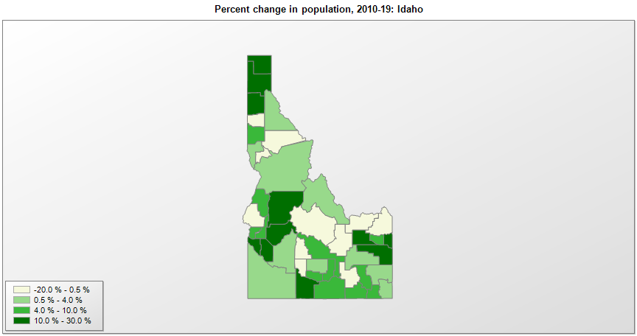

FIPS* | County name | RUC code | Pop. 1990 | Pop. 2000 | Pop. 2010 | Pop. 2019 | Change 2010-19
16000 | Idaho |  | 1,006,734 | 1,293,957 | 1,567,657 | 1,787,065 | 14.0%
16001 | Ada County | 2 | 205,775 | 300,953 | 392,372 | 481,587 | 22.7%
16003 | Adams County | 9 | 3,254 | 3,483 | 3,978 | 4,294 | 7.9%
16005 | Bannock County | 3 | 66,026 | 75,562 | 82,842 | 87,808 | 6.0%
16007 | Bear Lake County | 9 | 6,084 | 6,418 | 5,986 | 6,125 | 2.3%
16009 | Benewah County | 6 | 7,937 | 9,169 | 9,283 | 9,298 | 0.2%
16011 | Bingham County | 4 | 37,583 | 41,737 | 45,605 | 46,811 | 2.6%
16013 | Blaine County | 7 | 13,552 | 18,994 | 21,377 | 23,021 | 7.7%
16015 | Boise County | 2 | 3,509 | 6,644 | 7,027 | 7,831 | 11.4%
16017 | Bonner County | 6 | 26,622 | 36,809 | 40,877 | 45,739 | 11.9%
16019 | Bonneville County | 3 | 72,207 | 82,545 | 104,294 | 119,062 | 14.2%
16021 | Boundary County | 7 | 8,332 | 9,880 | 10,972 | 12,245 | 11.6%
16023 | Butte County | 3 | 2,918 | 2,897 | 2,893 | 2,597 | -10.2%
16025 | Camas County | 9 | 727 | 981 | 1,117 | 1,106 | -1.0%
16027 | Canyon County | 2 | 90,076 | 131,452 | 188,922 | 229,849 | 21.7%
16029 | Caribou County | 6 | 6,963 | 7,296 | 6,963 | 7,155 | 2.8%
16031 | Cassia County | 7 | 19,532 | 21,399 | 22,964 | 24,030 | 4.6%
16033 | Clark County | 9 | 762 | 1,022 | 982 | 845 | -14.0%
16035 | Clearwater County | 6 | 8,505 | 8,928 | 8,761 | 8,756 | -0.1%
16037 | Custer County | 8 | 4,133 | 4,340 | 4,366 | 4,315 | -1.2%
16039 | Elmore County | 6 | 21,205 | 29,116 | 27,040 | 27,511 | 1.7%
16041 | Franklin County | 3 | 9,232 | 11,333 | 12,786 | 13,876 | 8.5%
16043 | Fremont County | 6 | 10,937 | 11,813 | 13,237 | 13,099 | -1.0%
16045 | Gem County | 2 | 11,844 | 15,179 | 16,719 | 18,112 | 8.3%
16047 | Gooding County | 7 | 11,633 | 14,150 | 15,472 | 15,179 | -1.9%
16049 | Idaho County | 6 | 13,768 | 15,506 | 16,267 | 16,667 | 2.5%
16051 | Jefferson County | 3 | 16,543 | 19,117 | 26,144 | 29,871 | 14.3%
16053 | Jerome County | 7 | 15,138 | 18,401 | 22,355 | 24,412 | 9.2%
16055 | Kootenai County | 3 | 69,795 | 108,682 | 138,466 | 165,697 | 19.7%
16057 | Latah County | 4 | 30,617 | 34,925 | 37,243 | 40,108 | 7.7%
16059 | Lemhi County | 7 | 6,899 | 7,798 | 7,936 | 8,027 | 1.1%
16061 | Lewis County | 8 | 3,516 | 3,744 | 3,821 | 3,838 | 0.4%
16063 | Lincoln County | 9 | 3,308 | 4,050 | 5,206 | 5,366 | 3.1%
16065 | Madison County | 4 | 23,674 | 27,491 | 37,548 | 39,907 | 6.3%
16067 | Minidoka County | 7 | 19,361 | 20,155 | 20,055 | 21,039 | 4.9%
16069 | Nez Perce County | 3 | 33,754 | 37,418 | 39,270 | 40,408 | 2.9%
16071 | Oneida County | 8 | 3,492 | 4,125 | 4,286 | 4,531 | 5.7%
16073 | Owyhee County | 2 | 8,392 | 10,644 | 11,526 | 11,823 | 2.6%
16075 | Payette County | 6 | 16,434 | 20,584 | 22,622 | 23,951 | 5.9%
16077 | Power County | 6 | 7,086 | 7,542 | 7,819 | 7,681 | -1.8%
16079 | Shoshone County | 6 | 13,931 | 13,763 | 12,800 | 12,882 | 0.6%
16081 | Teton County | 9 | 3,439 | 6,006 | 10,165 | 12,142 | 19.4%
16083 | Twin Falls County | 5 | 53,580 | 64,286 | 77,241 | 86,878 | 12.5%
16085 | Valley County | 8 | 6,109 | 7,637 | 9,854 | 11,392 | 15.6%
16087 | Washington County | 6 | 8,550 | 9,983 | 10,198 | 10,194 | 0.0%

Source: U.S. Census Bureau, 1990, 2000, and 2010 Censuses of Population (corrected), and 2019 County Total Population Estimates. 1) The FIPS codes uniquely identify each county and are part of the Federal Information Processing Standards (FIPS) developed by the National Institute of Standards and Technology (NIST), U.S. Department of Commerce. For more information, see the NIST FIPS publication page. 2) The 2013 rural-urban continuum codes classify metropolitan counties (codes 1 through 3) by size of the Metropolitan Statistical Area (MSA), and nonmetropolitan counties (codes 4 through 9) by degree of urbanization and proximity to metro areas. See rural-urban continuum codes for precise definitions of each code.

